EXERCISE 13
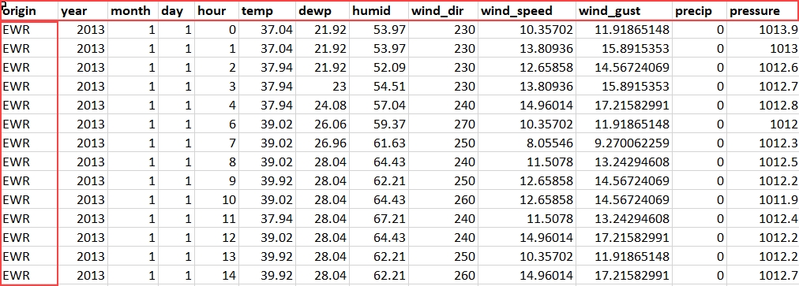
EXERCISE 13

ARRANGING WORKBOOKS AND WORKSHEETS | LOOKING UP INFORMATION
1. Create three new blank workbooks.
2. Practice arranging them on the desktop in different ways.
3. Add some dummy data into the worksheet.
4. Use the zooming tools to zoom in and out.
5. Select the cell range that contains values and 'Zoom to Selection'.
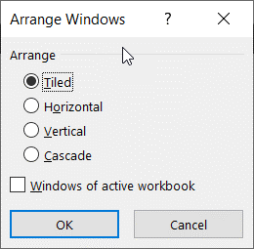

FREEZING PANES
1. On the 'Weather_Data' worksheet, freeze the top row and the first column.
2. Check to make sure the freezing is working correctly.
3. Once verified, 'Unfreeze Panes'.

